Лист1
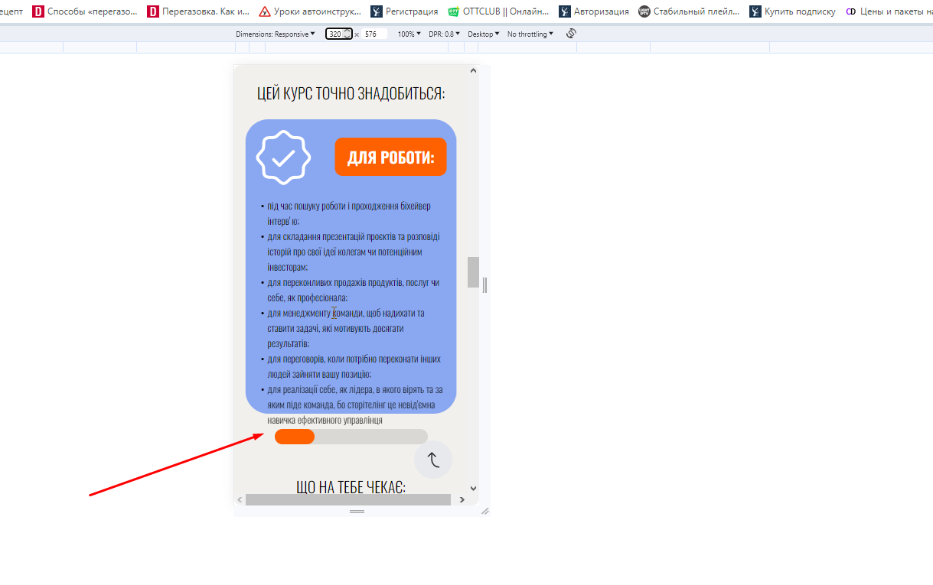
BUG REPORT 1.1.
Previous Steps:
1. Open the website.
Defect Description/Steps to Reproduce:
1. Move to image after /АВТОРКА КУРСУ: ІРИНА НІКОНЧУК
2. Change resolution from 390 to end of mobile
3. Pay attention to image
(Expected) Result:
1, Image change due to resolution of display
Actual Result:
Image stay same.
Attachments
Browsers:All

BUG REPORT 1.2.
Previous Steps:
1. Open the website.
Defect Description/Steps to Reproduce:
1. Move to swiper after НАШІ СТОРІМЕЙКЕРИ /ВІДГУКИ:
2. Swipe the last one slide to right((on max possibility))
3. Move to swiper after МІСЦЕ ГОЛОВНОГО ГЕРОЯ В ЦЬОМУ ЖИТТІ — ЗАВЖДИ ТВОЄ
4. Swipe the last one slide to right(on max possibility)
(Expected) Result:
1.Smooth animation and correct image transition".
2.Smooth animation and correct image transition
Actual Result:
1. The animation is choppy,picture flick
2. The animation is choppy. picture flick
Attachments
Browsers:All

BUG REPORT 1.3
Previous Steps:
1. Open the website.
Defect Description/Steps to Reproduce:
1.Pay attetion to text ЯК РОЗКАЗАТИ ІСТОРІЮ ПРО СЕБЕ
(Expected) Result:
1. The text is smoth to the center
Actual Result:
The text change direction in accordance with resolution
Attachments: 2023-10-15 01 50 13.mp4
Browsers:All

BUG REPORT 1.4
Previous Steps:
1. Open the website.
Defect Description/Steps to Reproduce:
1. Hover button КУПИТИ after ПАКЕТ STORY BASIC
2.Hover button КУПИТИ after ПАКЕТ STORY BASICПАКЕТ STANDART+
3.Hover button КУПИТИ after ПАКЕТ STORY PRO
(Expected) Result:
1.There must be active status of button(change color)
2.There must be active status of button(change color)
3.There must be active status of button(change color)
Actual Result:
1. Nothing happen.
2. Nothing happen.
3. Nothing happen.
Attachments:
Browsers:All

BUG REPORT 1.5
Previous Steps:
1. Open the website.
Defect Description/Steps to Reproduce:
1. Move to swiper after НАШІ СТОРІМЕЙКЕРИ /ВІДГУКИ:
2. Swipe the last one slide to right
3. Move to swiper after МІСЦЕ ГОЛОВНОГО ГЕРОЯ В ЦЬОМУ ЖИТТІ — ЗАВЖДИ ТВОЄ
4. Swipe the last one slide to right
(Expected) Result:
1.Smooth animation
2.Smooth animation
Actual Result:
1. The animation is choppy.
2. The animation is choppy.
Attachments: video.mp4, swiper is choppy.mp4
Browsers:All

BUG REPORT 1.6
Previous Steps:
1. Open the website.
2. Move to columns after МІСЦЕ ГОЛОВНОГО ГЕРОЯ В ЦЬОМУ ЖИТТІ — ЗАВЖДИ ТВОЄ
Defect Description/Steps to Reproduce:
1.Pay attetion to columns
(Expected) Result:
1.Columns must be equal with each other
Actual Result:
1. Columns has diferents size,not adaptable with display resolution
Attachments:
Browsers:All

BUG REPORT 1.7
1. Open the website.
2. Move to text МІСЦЕ ГОЛОВНОГО ГЕРОЯ В ЦЬОМУ ЖИТТІ — ЗАВЖДИ ТВОЄ
Defect Description/Steps to Reproduce:
1.Pay attetion to text from 400 to end of mobile resolution
(Expected) Result:
1.The text looks adaptable in accordance with display resolution
Actual Result:
1. The text not synchronized (and size of text) with display resolution
Attachments:
Browsers:All

v
BUG REPORT 1.8
Defect Description/Steps to Reproduce:
1.Open the website
2,Move to section" Наші сторімейкери"
3.Use slider
4.Pay atetion to each column and compare their size to each other
(Expected) Result:
The colums are the same size,and look equal
Actual Result:
1.The colums have different size to each other not equal
Attachments:
Browsers:All

BUG REPORT 1.9
Defect Description/Steps to Reproduce:
1.Open the website
2,Move to section" Що на тебе чекає"
3.Use slider
4.Pay atetion to last one (on pc version} slide and move to last one.
(Expected) Result:
Adaptible
Actual Result:
The space after that column not adaptible and have many empty space
Attachments:
Browsers:All

BUG REPORT 2.1
Defect Description/Steps to Reproduce:
1.Open the website
2,Move to section" Наші сторімейкери"
3.Move mouse pointer on photos
(Expected) Result:
There isnt hover effect
Actual Result:
1.Hover effect on uncliccable photos
Browsers:All

BUG REPORT 2.2
Defect Description/Steps to Reproduce:
1.Open the website
2,Move to Buttons Instagram etc
3.Change resolution and pay attention are these button adaptable
(Expected) Result:
Button are adaptable
Actual Result:
Button arent adaptable
Attachments:
Browsers:All

BUG REPORT 2.3
Defect Description/Steps to Reproduce:
1.Open the website
2,Move to Button "Публична Оферта" to end of the page
3.Change resolution and pay attention are these button adaptable
4.Use button to exit X
(Expected) Result:
5.Redirection to the same place on previous page
Actual Result:
Redirection to the same page but on the top of the site with pop up that need to close
Attachments:
Browsers:All

BUG REPORT 2.4
Defect Description/Steps to Reproduce:
1.Open the website
2,Use Inspector mode in Browser Opera
3.Select Tier mobile conection and low
4.Wait how long will site load
(Expected) Result:
5.Ok load due to dier and low connection
Actual Result:
The site didnt load at all poor conection on both methods
Attachments:
Browsers:Opera

BUG REPORT 2.5
Defect Description/Steps to Reproduce:
1.Open the website
2.Click on button Відгуки
(Expected) Result:
5.Button redirect to linked section
Actual Result:
Button didn’t work
Attachments:
Browsers:Opera

BUG REPORT 2.6
Defect Description/Steps to Reproduce:
1.Open the website
2,Move to section "Цей курс точно тобі знадобиться"
3.Select 320px in inspector mode
(Expected) Result:
5.The text look ok in the field of the column
Actual Result:
The text out of the column
Browsers:Opera
Attachment:

